1- READ ME
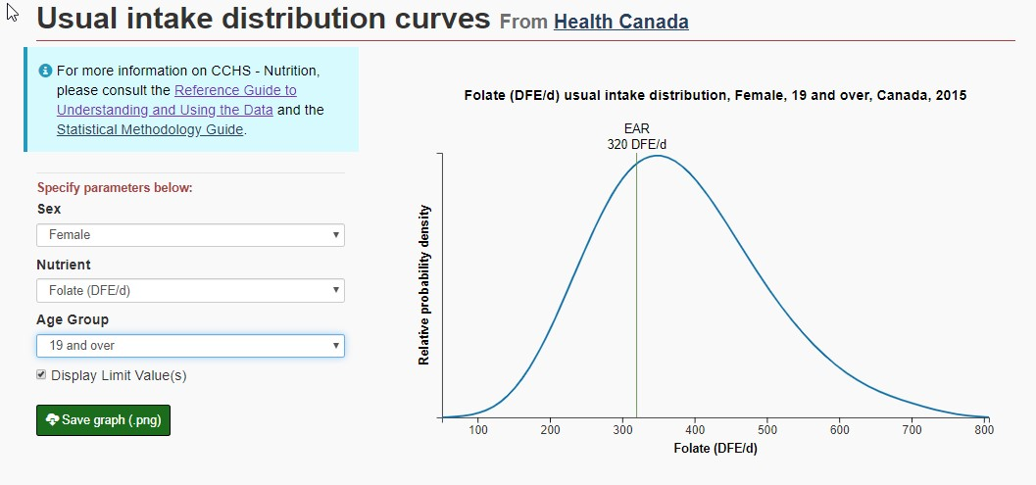
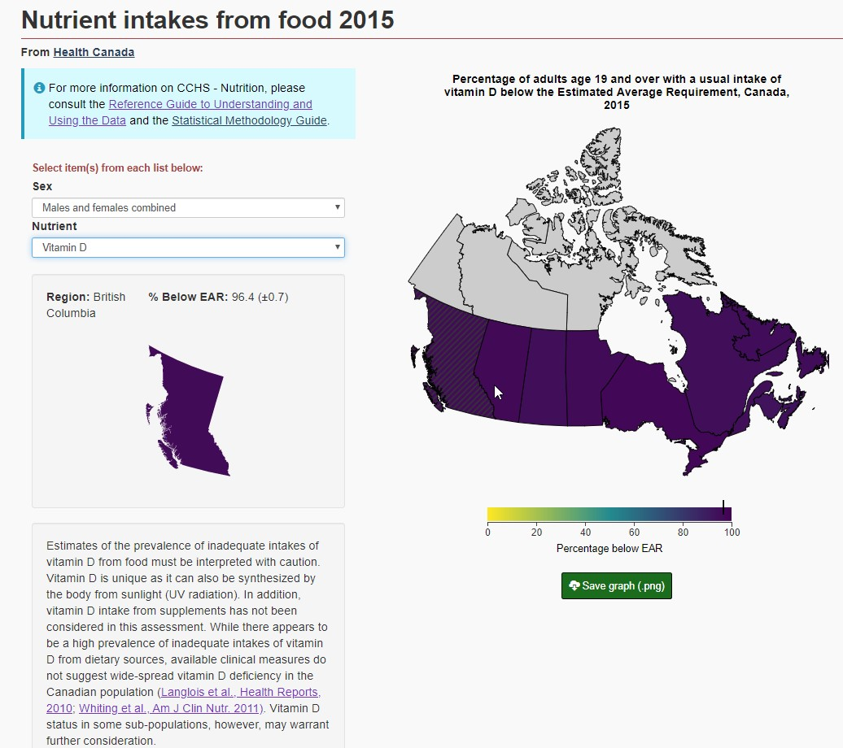
Background: The Bureau of Food Surveillance and Science Integration (BFSSI) is developing tools to disseminate data from the 2015 Canadian Community Health Survey – Nutrition (2015 CCHS – Nutrition) on the PHAC Health Infobase (https://health-infobase.canada.ca/). The goal of the first phase of the project is to complement the Usual Intakes from Food for Energy, Nutrients and Other Dietary Components dataset published on the Government of Canada’s Open Data portal with interactive and user-friendly data visualizations. This large dataset contains distribution of usual intakes of 41 nutrients/dietary component from food for 16 age-sex groupings and 13 geographical regions (Canada excluding the territories, provinces and regions). For nutrients for which Dietary Reference Intakes (DRIs) have been established, the dataset also contains comparisons of usual intakes to the DRIs. Prototypes for the data visualizations for phase 1 are copied below. Two future visualizations are being planned for the second phase of the project.
Request for FNSS WG Input: To help inform their work, BFSSI is asking FNSS WG members to provide feedback on which nutrients/dietary components to include in the data tools (Tab 2), what information should be included within the tool to support interpretation of the data (Tabs 3 & 4).

